Figure_5.1
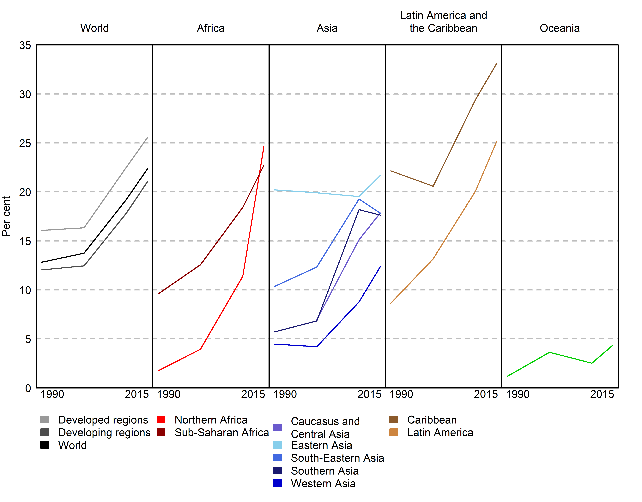
Figure 5.1. Proportion of seats held by women in single or lower houses of parliament, by region as at January 2015
Reference: United Nations, 2015. The World's Women 2015: Trends and Statistics. New York: United Nations, Department of Economic and Social Affairs, Statistics Division. Sales No. E.15.XVII.8.

Region | 1990 | 2000 | 2010 | 2015
Northern Africa | 2 | 4 | 11 | 25
Sub-Saharan Africa | 10 | 13 | 18 | 23
Caribbean | 22 | 21 | 29 | 33
Latin America | 9 | 13 | 20 | 25
Caucasus and Central Asia | .. | 7 | 15 | 18
Eastern Asia | 20 | 20 | 20 | 22
Southern Asia | 6 | 7 | 18 | 18
South-Eastern Asia | 10 | 12 | 19 | 18
Western Asia | 4 | 4 | 9 | 12
Oceania | 1 | 4 | 3 | 4
Developed regions | 16 | 16 | 23 | 26
Developing regions | 12 | 12 | 18 | 21
World | 13 | 14 | 19 | 22

Source(s):
United Nations, 2015c. Statistical annex: Millennium Development Goals, targets and indicators, 2015: statistical tables. http://mdgs.un.org/unsd/mdg/Resources/Static/Products/Progress2015/ Statannex.pdf (accessed 14 July 2015).

Note:
.. Data are not available or are reported separately.

Definitions:
The proportion of seats held by women in lower or single houses of parliament is the number of seats held by women members in single or lower chambers of national parliaments, expressed as a percentage of all occupied seats. It is derived by dividing the total number of seats occupied by women by the total number of seats in parliament. This indicator does not cover the upper chamber of bicameral parliaments. Seats are usually won by members in general parliamentary elections. Seats may also be filled by nomination, appointment, indirect election, rotation of members and by-election. Seats refer to the number of parliamentary mandates, or the number of members of parliament.

Figure_5.2
Figure 5.2. Proportion of seats held by women in single or lower houses of parliaments by the type of gender quota, as of 13 March 2015
Reference: United Nations, 2015. The World's Women 2015: Trends and Statistics. New York: United Nations, Department of Economic and Social Affairs, Statistics Division. Sales No. E.15.XVII.8.

MDG region | Country | CountryCode | Percentage of women in 2015 | Total number of seats in 2015 | Total number of men in 2015 | Total number of women in 2015 | Quota type in the single or lower House | Voluntary political party quotas | Any type of quota |  | Voluntary political party quotas | Legislated candidate quotas | Reserved seats | No quota | Reserved seats and legislated candidate quotas | Supplementary public funding incentives
Developed | Australia | 36 | 26.7 | 150 | 110 | 40 | No legislated | Yes | Voluntary political party quota | Number of countries | 37 | 49 | 20 | 78 | 5 | 1 | 190
Developed | Austria | 40 | 30.6 | 183 | 127 | 56 | No legislated | Yes | Voluntary political party quota
Sub-Saharan Africa | Botswana | 72 | 9.5 | 63 | 57 | 6 | No legislated | Yes | Voluntary political party quota | Total number of seats | 8676 | 9653 | 7176 | 11121
Sub-Saharan Africa | Cameroon | 120 | 31.1 | 180 | 124 | 56 | No legislated | Yes | Voluntary political party quota | Total number of men | 6450 | 7250 | 5500 | 9306
Developed | Canada | 124 | 25.2 | 306 | 229 | 77 | No legislated | Yes | Voluntary political party quota | Total number of women | 2226 | 2403 | 1676 | 1815
Latin America | Chile | 152 | 15.8 | 120 | 101 | 19 | No legislated | Yes | Voluntary political party quota
Developed | Croatia | 191 | 25.8 | 151 | 112 | 39 | No legislated | Yes | Voluntary political party quota
Developed | Cyprus | 196 | 12.5 | 56 | 49 | 7 | No legislated | Yes | Voluntary political party quota |  | Voluntary political party quotas (37) | Legislated candidate quotas (49) | Reserved seats (20) | No quota (78)
Developed | Czech Republic | 203 | 19 | 200 | 162 | 38 | No legislated | Yes | Voluntary political party quota | Percentage of women | 25.656984786 | 24.893815394 | 23.355629877 | 16.320474777
Sub-Saharan Africa | Equatorial Guinea | 226 | 24 | 100 | 76 | 24 | No legislated | Yes | Voluntary political party quota | Global average | 22.388256031 | 22.388256031 | 22.388256031 | 22.388256031
Sub-Saharan Africa | Ethiopia | 231 | 27.8 | 547 | 395 | 152 | No legislated | Yes | Voluntary political party quota
Developed | Estonia | 233 | 19.8 | 101 | 81 | 20 | No legislated | Yes | Voluntary political party quota
Developed | Germany | 276 | 36.5 | 631 | 401 | 230 | No legislated | Yes | Voluntary political party quota
Latin America | Guatemala | 320 | 13.3 | 158 | 137 | 21 | No legislated | Yes | Voluntary political party quota
Developed | Hungary | 348 | 10.1 | 198 | 178 | 20 | No legislated | Yes | Voluntary political party quota
Developed | Iceland | 352 | 41.3 | 63 | 37 | 26 | No legislated | Yes | Voluntary political party quota
Developed | Israel | 376 | 22.5 | 120 | 93 | 27 | No legislated | Yes | Voluntary political party quota
Developed | Italy | 380 | 31 | 630 | 435 | 195 | No legislated | Yes | Voluntary political party quota
Sub-Saharan Africa | Cote d'Ivoire | 384 | 9.2 | 251 | 228 | 23 | No legislated | Yes | Voluntary political party quota
Developed | Lithuania | 440 | 23.4 | 141 | 108 | 33 | No legislated | Yes | Voluntary political party quota
Developed | Luxembourg | 442 | 28.3 | 60 | 43 | 17 | No legislated | Yes | Voluntary political party quota
Sub-Saharan Africa | Malawi | 454 | 16.7 | 192 | 160 | 32 | No legislated | Yes | Voluntary political party quota
Sub-Saharan Africa | Mali | 466 | 9.5 | 147 | 133 | 14 | No legislated | Yes | Voluntary political party quota
Developed | Malta | 470 | 12.9 | 70 | 61 | 9 | No legislated | Yes | Voluntary political party quota
Sub-Saharan Africa | Mozambique | 508 | 39.6 | 250 | 151 | 99 | No legislated | Yes | Voluntary political party quota
Sub-Saharan Africa | Namibia | 516 | 41.3 | 104 | 61 | 43 | No legislated | Yes | Voluntary political party quota
Developed | Netherlands | 528 | 37.3 | 150 | 94 | 56 | No legislated | Yes | Voluntary political party quota
Developed | Norway | 578 | 39.6 | 169 | 102 | 67 | No legislated | Yes | Voluntary political party quota
South-eastern Asia | Philippines | 608 | 27.2 | 290 | 211 | 79 | No legislated | Yes | Voluntary political party quota
Developed | Romania | 642 | 13.7 | 401 | 346 | 55 | No legislated | Yes | Voluntary political party quota
Developed | Slovakia | 703 | 18.7 | 150 | 122 | 28 | No legislated | Yes | Voluntary political party quota
Sub-Saharan Africa | South Africa | 710 | 41.5 | 400 | 234 | 166 | No legislated | Yes | Voluntary political party quota
Developed | Sweden | 752 | 43.6 | 349 | 197 | 152 | No legislated | Yes | Voluntary political party quota
Developed | Switzerland | 756 | 30.5 | 200 | 139 | 61 | No legislated | Yes | Voluntary political party quota
South-eastern Asia | Thailand | 764 | 6.1 | 197 | 185 | 12 | No legislated | Yes | Voluntary political party quota
Western Asia | Turkey | 792 | 14.4 | 548 | 469 | 79 | No legislated | Yes | Voluntary political party quota
Developed | United Kingdom of Great Britain and Northern Ireland | 826 | 22.8 | 650 | 502 | 148 | No legislated | Yes | Voluntary political party quota
Developed | Albania | 8 | 20.7 | 140 | 111 | 29 | Legislated candidate quotas |  | Legislated candidate quota
Sub-Saharan Africa | Angola | 24 | 36.8 | 220 | 139 | 81 | Legislated candidate quotas |  | Legislated candidate quota
Latin America | Argentina | 32 | 36.2 | 257 | 164 | 93 | Legislated candidate quotas | Yes | Legislated candidate quota
Caucasus and Central Asia | Armenia | 51 | 10.7 | 131 | 117 | 14 | Legislated candidate quotas |  | Legislated candidate quota
Developed | Belgium | 56 | 39.3 | 150 | 91 | 59 | Legislated candidate quotas |  | Legislated candidate quota
Latin America | Bolivia (Plurinational State of) | 68 | 53.1 | 130 | 61 | 69 | Legislated candidate quotas | Yes | Legislated candidate quota
Developed | Bosnia and Herzegovina | 70 | 21.4 | 42 | 33 | 9 | Legislated candidate quotas |  | Legislated candidate quota
Latin America | Brazil | 76 | 9 | 513 | 467 | 46 | Legislated candidate quotas |  | Legislated candidate quota
Sub-Saharan Africa | Cabo Verde | 132 | 20.8 | 72 | 57 | 15 | Legislated candidate quotas |  | Legislated candidate quota
Latin America | Colombia | 170 | 19.9 | 166 | 133 | 33 | Legislated candidate quotas |  | Legislated candidate quota
Sub-Saharan Africa | Congo | 178 | 7.4 | 136 | 126 | 10 | Legislated candidate quotas |  | Legislated candidate quota
Sub-Saharan Africa | Democratic Republic of the Congo | 180 | 8.9 | 492 | 448 | 44 | Legislated candidate quotas |  | Legislated candidate quota
Latin America | Costa Rica | 188 | 33.3 | 57 | 38 | 19 | Legislated candidate quotas | Yes | Legislated candidate quota
Caribbean | Dominican Republic | 214 | 20.8 | 183 | 145 | 38 | Legislated candidate quotas |  | Legislated candidate quota
Latin America | Ecuador | 218 | 41.6 | 137 | 80 | 57 | Legislated candidate quotas |  | Legislated candidate quota
Latin America | El Salvador | 222 | 27.4 | 84 | 61 | 23 | Legislated candidate quotas | Yes | Legislated candidate quota
Developed | France | 250 | 26.2 | 577 | 426 | 151 | Legislated candidate quotas | Yes | Legislated candidate quota
Western Asia | State of Palestine | 275 | 12.9 | 132 | 115 | 17 | Legislated candidate quotas |  | Legislated candidate quota
Developed | Greece | 300 | 23 | 300 | 231 | 69 | Legislated candidate quotas | Yes | Legislated candidate quota
Sub-Saharan Africa | Guinea | 324 | 21.9 | 114 | 89 | 25 | Legislated candidate quotas |  | Legislated candidate quota
Latin America | Guyana | 328 | 31.3 | 67 | 46 | 21 | Legislated candidate quotas |  | Legislated candidate quota
Latin America | Honduras | 340 | 25.8 | 128 | 95 | 33 | Legislated candidate quotas |  | Legislated candidate quota
South-eastern Asia | Indonesia | 360 | 17.1 | 555 | 460 | 95 | Legislated candidate quotas |  | Legislated candidate quota
Developed | Ireland | 372 | 16.3 | 166 | 139 | 27 | Legislated candidate quotas |  | Legislated candidate quota
Eastern Asia | Republic of Korea | 410 | 16.3 | 300 | 251 | 49 | Legislated candidate quotas | Yes | Legislated candidate quota
Caucasus and Central Asia | Kyrgyzstan | 417 | 23.3 | 120 | 92 | 28 | Legislated candidate quotas |  | Legislated candidate quota
Sub-Saharan Africa | Lesotho | 426 | 26.7 | 120 | 88 | 32 | Legislated candidate quotas |  | Legislated candidate quota
Northern Africa | Libya | 434 | 16 | 188 | 158 | 30 | Legislated candidate quotas |  | Legislated candidate quota
Latin America | Mexico | 484 | 38 | 500 | 310 | 190 | Legislated candidate quotas | Yes | Legislated candidate quota
Eastern Asia | Mongolia | 496 | 14.9 | 74 | 63 | 11 | Legislated candidate quotas |  | Legislated candidate quota
Developed | Montenegro | 499 | 17.3 | 81 | 67 | 14 | Legislated candidate quotas |  | Legislated candidate quota
Southern Asia | Nepal | 524 | 29.5 | 597 | 421 | 176 | Legislated candidate quotas |  | Legislated candidate quota
Latin America | Nicaragua | 558 | 39.1 | 92 | 56 | 36 | Legislated candidate quotas | Yes | Legislated candidate quota
Latin America | Panama | 591 | 19.3 | 57 | 46 | 11 | Legislated candidate quotas |  | Legislated candidate quota
Latin America | Paraguay | 600 | 15 | 80 | 68 | 12 | Legislated candidate quotas | Yes | Legislated candidate quota
Latin America | Peru | 604 | 22.3 | 130 | 101 | 29 | Legislated candidate quotas |  | Legislated candidate quota
Developed | Poland | 616 | 24.1 | 460 | 349 | 111 | Legislated candidate quotas |  | Legislated candidate quota
Developed | Portugal | 620 | 31.3 | 230 | 158 | 72 | Legislated candidate quotas |  | Legislated candidate quota
South-eastern Asia | Timor-Leste | 626 | 38.5 | 65 | 40 | 25 | Legislated candidate quotas |  | Legislated candidate quota
Sub-Saharan Africa | Senegal | 686 | 42.7 | 150 | 86 | 64 | Legislated candidate quotas |  | Legislated candidate quota
Developed | Serbia | 688 | 34 | 250 | 165 | 85 | Legislated candidate quotas |  | Legislated candidate quota
Developed | Slovenia | 705 | 36.7 | 90 | 57 | 33 | Legislated candidate quotas | Yes | Legislated candidate quota
Developed | Spain | 724 | 41.1 | 350 | 206 | 144 | Legislated candidate quotas | Yes | Legislated candidate quota
Sub-Saharan Africa | Togo | 768 | 17.6 | 91 | 75 | 16 | Legislated candidate quotas |  | Legislated candidate quota
Northern Africa | Tunisia | 788 | 31.3 | 217 | 149 | 68 | Legislated candidate quotas |  | Legislated candidate quota
Developed | The former Yugoslav Republic of Macedonia | 807 | 33.3 | 123 | 82 | 41 | Legislated candidate quotas |  | Legislated candidate quota
Sub-Saharan Africa | Burkina Faso | 854 | 13.3 | 90 | 78 | 12 | Legislated candidate quotas |  | Legislated candidate quota
Latin America | Uruguay | 858 | 13.1 | 99 | 86 | 13 | Legislated candidate quotas | Yes | Legislated candidate quota
Caucasus and Central Asia | Uzbekistan | 860 | 16 | 150 | 126 | 24 | Legislated candidate quotas |  | Legislated candidate quota
Southern Asia | Afghanistan | 4 | 27.7 | 249 | 180 | 69 | Reserved seats |  | Reserved seats
Southern Asia | Bangladesh | 50 | 20 | 350 | 280 | 70 | Reserved seats |  | Reserved seats
Sub-Saharan Africa | Burundi | 108 | 30.5 | 105 | 73 | 32 | Reserved seats |  | Reserved seats
Eastern Asia | China | 156 | 23.6 | 2959 | 2260 | 699 | Reserved seats |  | Reserved seats
Sub-Saharan Africa | Eritrea | 232 | 22 | 150 | 117 | 33 | Reserved seats |  | Reserved seats
Sub-Saharan Africa | Djibouti | 262 | 12.7 | 55 | 48 | 7 | Reserved seats |  | Reserved seats
Caribbean | Haiti | 332 | 4.2 | 95 | 91 | 4 | Reserved seats |  | Reserved seats
Western Asia | Jordan | 400 | 12 | 150 | 132 | 18 | Reserved seats |  | Reserved seats
Northern Africa | Morocco | 504 | 17 | 395 | 328 | 67 | Reserved seats |  | Reserved seats
Sub-Saharan Africa | Niger | 562 | 13.3 | 113 | 98 | 15 | Reserved seats | Yes | Reserved seats
Southern Asia | Pakistan | 586 | 20.7 | 323 | 256 | 67 | Reserved seats |  | Reserved seats
Western Asia | Saudi Arabia | 682 | 19.9 | 151 | 121 | 30 | Reserved seats |  | Reserved seats
Sub-Saharan Africa | Somalia | 706 | 13.8 | 275 | 237 | 38 | Reserved seats |  | Reserved seats
Sub-Saharan Africa | Zimbabwe | 716 | 31.5 | 270 | 185 | 85 | Reserved seats | Yes | Reserved seats
Sub-Saharan Africa | South Sudan | 728 | 26.5 | 332 | 244 | 88 | Reserved seats |  | Reserved seats
Sub-Saharan Africa | Sudan | 729 | 24.3 | 354 | 268 | 86 | Reserved seats |  | Reserved seats
Sub-Saharan Africa | Swaziland | 748 | 6.2 | 65 | 61 | 4 | Reserved seats |  | Reserved seats
Sub-Saharan Africa | Uganda | 800 | 35 | 386 | 251 | 135 | Reserved seats |  | Reserved seats
Sub-Saharan Africa | United Republic of Tanzania | 834 | 36 | 350 | 224 | 126 | Reserved seats | Yes | Reserved seats
Oceania | Samoa | 882 | 6.1 | 49 | 46 | 3 | Reserved seats |  | Reserved seats
Developed | Andorra | 20 | 50 | 28 | 14 | 14 | No legislated |  | No quota
Caribbean | Antigua and Barbuda | 28 | 11.1 | 18 | 16 | 2 | No legislated |  | No quota
Caucasus and Central Asia | Azerbaijan | 31 | 15.6 | 122 | 103 | 19 | No legislated |  | No quota
Caribbean | Bahamas | 44 | 13.2 | 38 | 33 | 5 | No legislated |  | No quota
Western Asia | Bahrain | 48 | 7.5 | 40 | 37 | 3 | No legislated |  | No quota
Caribbean | Barbados | 52 | 16.7 | 30 | 25 | 5 | No legislated |  | No quota
Southern Asia | Bhutan | 64 | 8.5 | 47 | 43 | 4 | No legislated |  | No quota
Latin America | Belize | 84 | 3.1 | 32 | 31 | 1 | No legislated |  | No quota
Oceania | Solomon Islands | 90 | 2 | 50 | 49 | 1 | No legislated |  | No quota
Developed | Bulgaria | 100 | 20.4 | 240 | 191 | 49 | No legislated |  | No quota
South-eastern Asia | Myanmar | 104 | 6.2 | 420 | 394 | 26 | No legislated |  | No quota
Developed | Belarus | 112 | 27.3 | 110 | 80 | 30 | No legislated |  | No quota
South-eastern Asia | Cambodia | 116 | 20.3 | 123 | 98 | 25 | No legislated |  | No quota
Southern Asia | Sri Lanka | 144 | 5.8 | 225 | 212 | 13 | No legislated |  | No quota
Sub-Saharan Africa | Chad | 148 | 14.9 | 188 | 160 | 28 | No legislated |  | No quota
Caribbean | Cuba | 192 | 48.9 | 612 | 313 | 299 | No legislated |  | No quota
Sub-Saharan Africa | Benin | 204 | 8.4 | 83 | 76 | 7 | No legislated |  | No quota
Developed | Denmark | 208 | 38 | 179 | 111 | 68 | No legislated |  | No quota
Caribbean | Dominica | 212 | 21.9 | 32 | 25 | 7 | No legislated |  | No quota
Oceania | Fiji | 242 | 14 | 50 | 43 | 7 | No legislated |  | No quota
Developed | Finland | 246 | 42.5 | 200 | 115 | 85 | No legislated |  | No quota
Sub-Saharan Africa | Gabon | 266 | 14.2 | 120 | 103 | 17 | No legislated |  | No quota
Sub-Saharan Africa | Gambia | 270 | 9.4 | 53 | 48 | 5 | No legislated |  | No quota
Sub-Saharan Africa | Ghana | 288 | 10.9 | 275 | 245 | 30 | No legislated |  | No quota
Oceania | Kiribati | 296 | 8.7 | 46 | 42 | 4 | No legislated |  | No quota
Caribbean | Grenada | 308 | 33.3 | 15 | 10 | 5 | No legislated |  | No quota
Southern Asia | India | 356 | 12 | 543 | 478 | 65 | No legislated |  | No quota
Southern Asia | Iran (Islamic Republic of) | 364 | 3.1 | 290 | 281 | 9 | No legislated |  | No quota
Caribbean | Jamaica | 388 | 12.7 | 63 | 55 | 8 | No legislated |  | No quota
Developed | Japan | 392 | 9.5 | 475 | 430 | 45 | No legislated |  | No quota
Caucasus and Central Asia | Kazakhstan | 398 | 26.2 | 107 | 79 | 28 | No legislated |  | No quota
Eastern Asia | Democratic People's Republic of Korea | 408 | 16.3 | 687 | 575 | 112 | No legislated |  | No quota
Western Asia | Kuwait | 414 | 1.5 | 65 | 64 | 1 | No legislated |  | No quota
South-eastern Asia | Lao People's Democratic Republic | 418 | 25 | 132 | 99 | 33 | No legislated |  | No quota
Western Asia | Lebanon | 422 | 3.1 | 128 | 124 | 4 | No legislated |  | No quota
Developed | Latvia | 428 | 18 | 100 | 82 | 18 | No legislated |  | No quota
Sub-Saharan Africa | Liberia | 430 | 11 | 73 | 65 | 8 | No legislated |  | No quota
Developed | Liechtenstein | 438 | 20 | 25 | 20 | 5 | No legislated |  | No quota
Sub-Saharan Africa | Madagascar | 450 | 20.5 | 151 | 120 | 31 | No legislated |  | No quota
South-eastern Asia | Malaysia | 458 | 10.4 | 222 | 199 | 23 | No legislated |  | No quota
Southern Asia | Maldives | 462 | 5.9 | 85 | 80 | 5 | No legislated |  | No quota
Sub-Saharan Africa | Mauritius | 480 | 11.6 | 69 | 61 | 8 | No legislated |  | No quota
Developed | Monaco | 492 | 20.8 | 24 | 19 | 5 | No legislated |  | No quota
Developed | Republic of Moldova | 498 | 20.8 | 101 | 80 | 21 | No legislated |  | No quota
Western Asia | Oman | 512 | 1.2 | 84 | 83 | 1 | No legislated |  | No quota
Oceania | Nauru | 520 | 5.3 | 19 | 18 | 1 | No legislated |  | No quota
Oceania | Vanuatu | 548 | 0 | 52 | 52 | 0 | No legislated |  | No quota
Developed | New Zealand | 554 | 31.4 | 121 | 83 | 38 | No legislated |  | No quota
Sub-Saharan Africa | Nigeria | 566 | 6.7 | 360 | 336 | 24 | No legislated |  | No quota
Oceania | Micronesia (Federated States of) | 583 | 0 | 14 | 14 | 0 | No legislated |  | No quota
Oceania | Marshall Islands | 584 | 3 | 33 | 32 | 1 | No legislated |  | No quota
Oceania | Palau | 585 | 0 | 16 | 16 | 0 | No legislated |  | No quota
Oceania | Papua New Guinea | 598 | 2.7 | 111 | 108 | 3 | No legislated |  | No quota
Sub-Saharan Africa | Guinea-Bissau | 624 | 13.7 | 102 | 88 | 14 | No legislated |  | No quota
Western Asia | Qatar | 634 | 0 | 35 | 35 | 0 | No legislated |  | No quota
Developed | Russian Federation | 643 | 13.6 | 450 | 389 | 61 | No legislated |  | No quota
Caribbean | Saint Kitts and Nevis | 659 | 6.7 | 15 | 14 | 1 | No legislated |  | No quota
Caribbean | Saint Lucia | 662 | 16.7 | 18 | 15 | 3 | No legislated |  | No quota
Caribbean | Saint Vincent and the Grenadines | 670 | 13 | 23 | 20 | 3 | No legislated |  | No quota
Developed | San Marino | 674 | 16.7 | 60 | 50 | 10 | No legislated |  | No quota
Sub-Saharan Africa | Sao Tome and Principe | 678 | 18.2 | 55 | 45 | 10 | No legislated |  | No quota
Sub-Saharan Africa | Seychelles | 690 | 43.8 | 32 | 18 | 14 | No legislated |  | No quota
Sub-Saharan Africa | Sierra Leone | 694 | 12.4 | 121 | 106 | 15 | No legislated |  | No quota
South-eastern Asia | Singapore | 702 | 25.3 | 99 | 74 | 25 | No legislated |  | No quota
South-eastern Asia | Viet Nam | 704 | 24.3 | 498 | 377 | 121 | No legislated |  | No quota
Latin America | Suriname | 740 | 11.8 | 51 | 45 | 6 | No legislated |  | No quota
Western Asia | Syrian Arab Republic | 760 | 12.4 | 250 | 219 | 31 | No legislated |  | No quota
Caucasus and Central Asia | Tajikistan | 762 | 16.9 | 59 | 49 | 10 | No legislated |  | No quota
Oceania | Tonga | 776 | 0 | 26 | 26 | 0 | No legislated |  | No quota
Caribbean | Trinidad and Tobago | 780 | 28.6 | 42 | 30 | 12 | No legislated |  | No quota
Western Asia | United Arab Emirates | 784 | 17.5 | 40 | 33 | 7 | No legislated |  | No quota
Caucasus and Central Asia | Turkmenistan | 795 | 25.8 | 124 | 92 | 32 | No legislated |  | No quota
Oceania | Tuvalu | 798 | 6.7 | 15 | 14 | 1 | No legislated |  | No quota
Developed | Ukraine | 804 | 11.8 | 422 | 372 | 50 | No legislated |  | No quota
Developed | United States of America | 840 | 19.4 | 434 | 350 | 84 | No legislated |  | No quota
Latin America | Venezuela (Bolivarian Republic of) | 862 | 17 | 165 | 137 | 28 | No legislated |  | No quota
Western Asia | Yemen | 887 | 0.3 | 301 | 300 | 1 | No legislated |  | No quota
Sub-Saharan Africa | Zambia | 894 | 12.7 | 158 | 138 | 20 | No legislated |  | No quota
Northern Africa | Algeria | 12 | 31.6 | 462 | 316 | 146 | Reserved seats and legislated candidate quotas |  | Reserved seats and legislated candidate quotas
Western Asia | Iraq | 368 | 26.5 | 328 | 241 | 87 | Reserved seats and legislated candidate quotas |  | Reserved seats and legislated candidate quotas
Sub-Saharan Africa | Kenya | 404 | 19.7 | 350 | 281 | 69 | Reserved seats and legislated candidate quotas | Yes | Reserved seats and legislated candidate quotas
Sub-Saharan Africa | Mauritania | 478 | 25.2 | 147 | 110 | 37 | Reserved seats and legislated candidate quotas |  | Reserved seats and legislated candidate quotas
Sub-Saharan Africa | Rwanda | 646 | 63.8 | 80 | 29 | 51 | Reserved seats and legislated candidate quotas |  | Reserved seats and legislated candidate quotas
Caucasus and Central Asia | Georgia | 268 | 11.3 | 150 | 133 | 17 | Supplementary public funding incentives |  | Supplementary public funding incentives

Source(s):
Compiled and calculated by the United Nations Statistics Division from data obtained from International IDEA and others, Quota project: global database of quotas for women. www.quotaproject.org/ (accessed 13 March 2015); International IDEA, IPU (Inter-Parliamentary Union) and Stockholm University, 2013. Atlas of Electoral Gender Quotas. Geneva: IPU; United Nations Millennium Development Goals indicators database, http://mdgs.un.org/unsd/mdg/Default.aspx (accessed 14 July 2015).

Note:
Numbers in parenthesis indicate the number of countries reflected in the analysis. For the purpose of this analysis, countries using voluntary party quotas combined with legislated quotas were classified under legislated quotas. The weighted average of the proportions of seats held by women in the five countries with both reserved seats and legislated candidate quotas is 29 per cent. Georgia, where supplementary public funding incentives are implemented, has a proportion of 11 per cent.

Definitions:
The proportion of seats held by women in national parliaments is the number of seats held by women members in single or lower chambers of national parliaments, expressed as a percentage of all occupied seats. It is derived by dividing the total number of seats occupied by women by the total number of seats in parliament. National parliaments can be bicameral or unicameral. This indicator covers the single chamber in unicameral parliaments and the lower chamber in bicameral parliaments. It does not cover the upper chamber of bicameral parliaments. Seats are usually won by members in general parliamentary elections. Seats may also be filled by nomination, appointment, indirect election, rotation of members and by-election. Seats refer to the number of parliamentary mandates, or the number of members of parliament.

Figure_5.3
Figure 5.3. Share of women among candidates for the lower or single houses of parliament in the latest election year, by the proportion of seats held by women in the lower or single house and by region, 2015
Reference: United Nations, 2015. The World's Women 2015: Trends and Statistics. New York: United Nations, Department of Economic and Social Affairs, Statistics Division. Sales No. E.15.XVII.8.

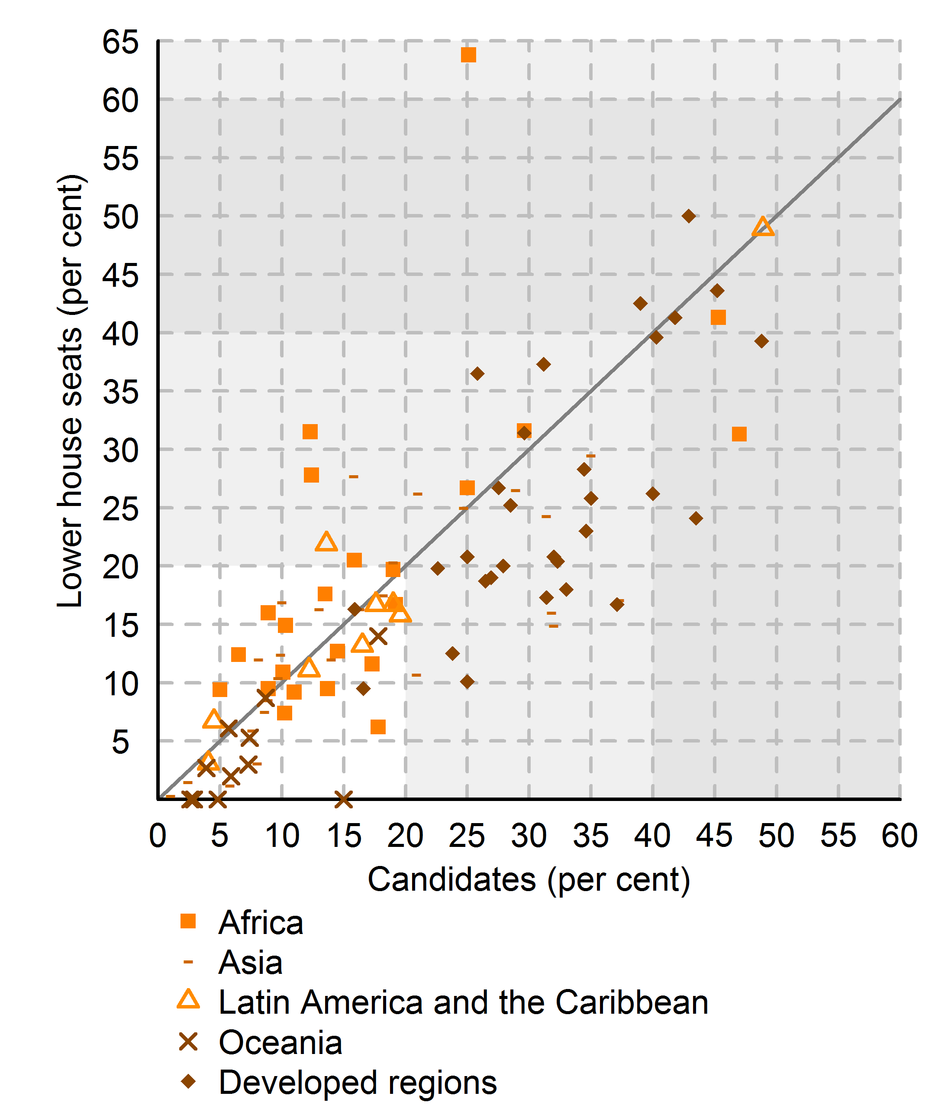
Larger region | Region | Country | Country code | Seats | Women | % W | Elections | % Candidates | Total | Women | Men
Africa | Northern Africa | Algeria | 12 | 462 | 146 | 31.6 | 5 2012 | 29.6 | 25800 | 7647 | 18153
Africa | Northern Africa | Libya | 434 | 188 | 30 | 16 | 6 2014 | 8.9 | 1714 | 152 | 1562
Africa | Northern Africa | Morocco | 504 | 395 | 67 | 17 | 11 2011 | .. | .. | .. | ..
Africa | Northern Africa | Tunisia | 788 | 217 | 68 | 31.3 | 10 2014 | 47 | 15652 | 7356 | 8296
Africa | Sub-Saharan Africa | Angola | 24 | 220 | 81 | 36.8 | 8 2012 | .. | .. | .. | ..
Africa | Sub-Saharan Africa | Benin | 204 | 83 | 7 | 8.4 | 4 2011 | .. | .. | .. | ..
Africa | Sub-Saharan Africa | Botswana | 72 | 63 | 6 | 9.5 | 10 2014 | 8.9 | 192 | 17 | 175
Africa | Sub-Saharan Africa | Burkina Faso | 854 | 90 | 12 | 13.3 | 11 2014 | .. | .. | .. | ..
Africa | Sub-Saharan Africa | Burundi | 108 | 105 | 32 | 30.5 | 7 2010 | .. | .. | .. | ..
Africa | Sub-Saharan Africa | Cabo Verde | 132 | 72 | 15 | 20.8 | 2 2011 | .. | .. | .. | ..
Africa | Sub-Saharan Africa | Cameroon | 120 | 180 | 56 | 31.1 | 9 2013 | .. | .. | .. | ..
Africa | Sub-Saharan Africa | Chad | 148 | 188 | 28 | 14.9 | 2 2011 | 10.3 | 1409 | 145 | 1264
Africa | Sub-Saharan Africa | Comoros | 174 | .. | .. | .. | .. | .. | .. | .. | ..
Africa | Sub-Saharan Africa | Congo | 178 | 136 | 10 | 7.4 | 7 2012 | 10.22 | 1213 | 124 | 1089
Africa | Sub-Saharan Africa | Cote d'Ivoire | 384 | 251 | 23 | 9.2 | 12 2011 | 11 | 946 | 104 | 842
Africa | Sub-Saharan Africa | Democratic Republic of the Congo | 180 | 492 | 44 | 8.9 | 11 2011 | .. | .. | .. | ..
Africa | Sub-Saharan Africa | Djibouti | 262 | 55 | 7 | 12.7 | 2 2013 | .. | .. | .. | ..
Africa | Sub-Saharan Africa | Equatorial Guinea | 226 | 100 | 24 | 24 | 5 2013 | .. | .. | .. | ..
Africa | Sub-Saharan Africa | Eritrea | 232 | 150 | 33 | 22 | 2 1994 | .. | .. | .. | ..
Africa | Sub-Saharan Africa | Ethiopia | 231 | 547 | 152 | 27.8 | 5 2010 | 12.4 | 2188 | 272 | 1916
Africa | Sub-Saharan Africa | Gabon | 266 | 120 | 17 | 14.2 | 12 2011 | .. | .. | .. | ..
Africa | Sub-Saharan Africa | Gambia | 270 | 53 | 5 | 9.4 | 3 2012 | 5 | 74 | 4 | 70
Africa | Sub-Saharan Africa | Ghana | 288 | 275 | 30 | 10.9 | 12 2012 | 10.1 | 1332 | 134 | 1198
Africa | Sub-Saharan Africa | Guinea | 324 | 114 | 25 | 21.9 | 9 2013 | .. | .. | .. | ..
Africa | Sub-Saharan Africa | Guinea-Bissau | 624 | 102 | 14 | 13.7 | 4 2014 | .. | .. | .. | ..
Africa | Sub-Saharan Africa | Kenya | 404 | 350 | 69 | 19.7 | 3 2013 | 19 | 2392 | 455 | 1937
Africa | Sub-Saharan Africa | Lesotho | 426 | 120 | 32 | 26.7 | 5 2012 | 25 | 1043 | 257 | 786
Africa | Sub-Saharan Africa | Liberia | 430 | 73 | 8 | 11 | 10 2011 | .. | .. | .. | ..
Africa | Sub-Saharan Africa | Madagascar | 450 | 151 | 31 | 20.5 | 12 2013 | 15.87 | 2052 | 326 | 1726
Africa | Sub-Saharan Africa | Malawi | 454 | 192 | 32 | 16.7 | 5 2014 | 19.2 | 1290 | 257 | 1033
Africa | Sub-Saharan Africa | Mali | 466 | 147 | 14 | 9.5 | 11 2013 | 13.7 | 1141 | 156 | 985
Africa | Sub-Saharan Africa | Mauritania | 478 | 147 | 37 | 25.2 | 11 2013 | .. | .. | .. | ..
Africa | Sub-Saharan Africa | Mauritius | 480 | 69 | 8 | 11.6 | 12 2014 | 17.3 | 739 | 128 | 611
Africa | Sub-Saharan Africa | Mozambique | 508 | 250 | 99 | 39.6 | 10 2014 | .. | .. | .. | ..
Africa | Sub-Saharan Africa | Namibia | 516 | 104 | 43 | 41.3 | 11 2014 | 45.3 | 1139 | 516 | 623
Africa | Sub-Saharan Africa | Niger | 562 | 113 | 15 | 13.3 | 1 2011 | .. | .. | .. | ..
Africa | Sub-Saharan Africa | Nigeria | 566 | 360 | 24 | 6.7 | 4 2011 | .. | .. | .. | ..
Africa | Sub-Saharan Africa | Rwanda | 646 | 80 | 51 | 63.8 | 9 2013 | 25.1 | 410 | 103 | 307
Africa | Sub-Saharan Africa | Sao Tome and Principe | 678 | 55 | 10 | 18.2 | 10 2014 | .. | .. | .. | ..
Africa | Sub-Saharan Africa | Senegal | 686 | 150 | 64 | 42.7 | 7 2012 | .. | .. | .. | ..
Africa | Sub-Saharan Africa | Seychelles | 690 | 32 | 14 | 43.8 | 9 2011 | .. | .. | .. | ..
Africa | Sub-Saharan Africa | Sierra Leone | 694 | 121 | 15 | 12.4 | 11 2012 | 6.5 | 586 | 38 | 548
Africa | Sub-Saharan Africa | Somalia | 706 | 275 | 38 | 13.8 | 8 2012 | .. | .. | .. | ..
Africa | Sub-Saharan Africa | South Africa | 710 | 400 | 166 | 41.5 | 5 2014 | .. | .. | .. | ..
Africa | Sub-Saharan Africa | South Sudan | 728 | 332 | 88 | 26.5 | 8 2011 | .. | .. | .. | ..
Africa | Sub-Saharan Africa | Sudan | 729 | 354 | 86 | 24.3 | 4 2010 | .. | .. | .. | ..
Africa | Sub-Saharan Africa | Swaziland | 748 | 65 | 4 | 6.2 | 9 2013 | 17.8 | 309 | 55 | 254
Africa | Sub-Saharan Africa | Togo | 768 | 91 | 16 | 17.6 | 7 2013 | 13.5 | 1174 | 159 | 1015
Africa | Sub-Saharan Africa | Uganda | 800 | 386 | 135 | 35 | 2 2011 | .. | .. | .. | ..
Africa | Sub-Saharan Africa | United Republic of Tanzania | 834 | 350 | 126 | 36 | 10 2010 | .. | .. | .. | ..
Africa | Sub-Saharan Africa | Zambia | 894 | 158 | 20 | 12.7 | 9 2011 | 14.5 | 768 | 111 | 657
Africa | Sub-Saharan Africa | Zimbabwe | 716 | 270 | 85 | 31.5 | 7 2013 | 12.3 | 846 | 104 | 742
Asia | Caucasus and Central Asia | Armenia | 51 | 131 | 14 | 10.7 | 5 2012 | 20.9 | 1141 | 239 | 902
Asia | Caucasus and Central Asia | Azerbaijan | 31 | 122 | 19 | 15.6 | 11 2010 | .. | .. | .. | ..
Asia | Caucasus and Central Asia | Georgia | 268 | 150 | 17 | 11.3 | 10 2012 | .. | .. | .. | ..
Asia | Caucasus and Central Asia | Kazakhstan | 398 | 107 | 28 | 26.2 | 1 2012 | 20.98 | 386 | 81 | 305
Asia | Caucasus and Central Asia | Kyrgyzstan | 417 | 120 | 28 | 23.3 | 10 2010 | .. | .. | .. | ..
Asia | Caucasus and Central Asia | Tajikistan | 762 | 59 | 10 | 16.9 | 2 2010 | 10 | 221 | 22 | 199
Asia | Caucasus and Central Asia | Turkmenistan | 795 | 124 | 32 | 25.8 | 12 2013 | .. | .. | .. | ..
Asia | Caucasus and Central Asia | Uzbekistan | 860 | 150 | 24 | 16 | 12 2014 | 31.8 | 535 | 170 | 365
Asia | Eastern Asia | China | 156 | 2959 | 699 | 23.6 | 3 2013 | .. | .. | .. | ..
Asia | Eastern Asia | Democratic People's Republic of Korea | 408 | 687 | 112 | 16.3 | 3 2014 | 16.3 | 687 | 112 | 575
Asia | Eastern Asia | Mongolia | 496 | 74 | 11 | 14.9 | 6 2012 | 32 | 544 | 174 | 370
Asia | Eastern Asia | Republic of Korea | 410 | 300 | 49 | 16.3 | 4 2012 | 13 | 1090 | 142 | 948
Asia | South-eastern Asia | Cambodia | 116 | 123 | 25 | 20.3 | 7 2013 | 19 | 886 | 168 | 718
Asia | South-eastern Asia | Indonesia | 360 | 555 | 95 | 17.1 | 4 2014 | 37.3 | 6607 | 2465 | 4142
Asia | South-eastern Asia | Lao People's Democratic Republic | 418 | 132 | 33 | 25 | 4 2011 | 24.7 | 190 | 47 | 143
Asia | South-eastern Asia | Malaysia | 458 | 222 | 23 | 10.4 | 5 2013 | 9.7 | 579 | 56 | 523
Asia | South-eastern Asia | Myanmar | 104 | 420 | 26 | 6.2 | 11 2010 | .. | .. | .. | ..
Asia | South-eastern Asia | Philippines | 608 | 290 | 79 | 27.2 | 5 2013 | .. | .. | .. | ..
Asia | South-eastern Asia | Singapore | 702 | 99 | 25 | 25.3 | 5 2011 | .. | .. | .. | ..
Asia | South-eastern Asia | Thailand | 764 | 197 | 12 | 6.1 | 8 2014 | .. | .. | .. | ..
Asia | South-eastern Asia | Timor-Leste | 626 | 65 | 25 | 38.5 | 7 2012 | .. | .. | .. | ..
Asia | South-eastern Asia | Viet Nam | 704 | 498 | 121 | 24.3 | 5 2011 | 31.4 | 827 | 260 | 567
Asia | Southern Asia | Afghanistan | 4 | 249 | 69 | 27.7 | 9 2010 | 15.8 | 2447 | 386 | 2061
Asia | Southern Asia | Bangladesh | 50 | 350 | 70 | 20 | 1 2014 | .. | .. | .. | ..
Asia | Southern Asia | Bhutan | 64 | 47 | 4 | 8.5 | 7 2013 | 8.9 | 94 | 10 | 84
Asia | Southern Asia | India | 356 | 543 | 65 | 12 | 4 2014 | 8.1 | 8251 | 668 | 7583
Asia | Southern Asia | Iran (Islamic Republic of) | 364 | 290 | 9 | 3.1 | 5 2012 | 8 | 3269 | 262 | 3007
Asia | Southern Asia | Maldives | 462 | 85 | 5 | 5.9 | 3 2014 | 7.6 | 302 | 23 | 279
Asia | Southern Asia | Nepal | 524 | 597 | 176 | 29.5 | 11 2013 | 35 | 16856 | 5905 | 10951
Asia | Southern Asia | Pakistan | 586 | 323 | 67 | 20.7 | 5 2013 | .. | .. | .. | ..
Asia | Southern Asia | Sri Lanka | 144 | 225 | 13 | 5.8 | 4 2010 | .. | .. | .. | ..
Asia | Western Asia | Bahrain | 48 | 40 | 3 | 7.5 | 11 2014 | 8.6 | 266 | 23 | 243
Asia | Western Asia | Iraq | 368 | 328 | 87 | 26.5 | 4 2014 | 28.9 | 9032 | 2607 | 6425
Asia | Western Asia | Jordan | 400 | 150 | 18 | 12 | 1 2013 | 14 | 1500 | 213 | 1287
Asia | Western Asia | Kuwait | 414 | 65 | 1 | 1.5 | 7 2013 | 2.4 | 329 | 8 | 321
Asia | Western Asia | Lebanon | 422 | 128 | 4 | 3.1 | 6 2009 | .. | .. | .. | ..
Asia | Western Asia | Oman | 512 | 84 | 1 | 1.2 | 10 2011 | 5.8 | 1300 | 76 | 1224
Asia | Western Asia | Qatar | 634 | 35 | 0 | 0 | 7 2013 | .. | .. | .. | ..
Asia | Western Asia | Saudi Arabia | 682 | 151 | 30 | 19.9 | 1 2013 | .. | .. | .. | ..
Asia | Western Asia | State of Palestine | 275 | 132 | 17 | 12.9 | .. | .. | .. | .. | ..
Asia | Western Asia | Syrian Arab Republic | 760 | 250 | 31 | 12.4 | 5 2012 | 9.9 | 7195 | 710 | 6485
Asia | Western Asia | Turkey | 792 | 548 | 79 | 14.4 | 6 2011 | .. | .. | .. | ..
Asia | Western Asia | United Arab Emirates | 784 | 40 | 7 | 17.5 | 9 2011 | 18.2 | 468 | 85 | 383
Asia | Western Asia | Yemen | 887 | 301 | 1 | 0.3 | 4 2003 | 1 | 1536 | 16 | 1520
Latin America and the Caribbean | Caribbean | Antigua and Barbuda | 28 | 18 | 2 | 11.1 | 6 2014 | 12.2 | 41 | 5 | 36
Latin America and the Caribbean | Caribbean | Bahamas | 44 | 38 | 5 | 13.2 | 5 2012 | 16.5 | 133 | 22 | 111
Latin America and the Caribbean | Caribbean | Barbados | 52 | 30 | 5 | 16.7 | 2 2013 | 17.6 | 68 | 12 | 56
Latin America and the Caribbean | Caribbean | Cuba | 192 | 612 | 299 | 48.9 | 2 2013 | 48.9 | 612 | 299 | 313
Latin America and the Caribbean | Caribbean | Dominica | 212 | 32 | 7 | 21.9 | 12 2014 | 13.6 | 44 | 6 | 38
Latin America and the Caribbean | Caribbean | Dominican Republic | 214 | 183 | 38 | 20.8 | 5 2010 | .. | .. | .. | ..
Latin America and the Caribbean | Caribbean | Grenada | 308 | 15 | 5 | 33.3 | 2 2013 | .. | .. | .. | ..
Latin America and the Caribbean | Caribbean | Haiti | 332 | 95 | 4 | 4.2 | 11 2010 | .. | .. | .. | ..
Latin America and the Caribbean | Caribbean | Jamaica | 388 | 63 | 8 | 12.7 | 12 2011 | .. | .. | .. | ..
Latin America and the Caribbean | Caribbean | Saint Kitts and Nevis | 659 | 15 | 1 | 6.7 | 2 2015 | 4.5 | 22 | 1 | 21
Latin America and the Caribbean | Caribbean | Saint Lucia | 662 | 18 | 3 | 16.7 | 11 2011 | 19 | 52 | 10 | 42
Latin America and the Caribbean | Caribbean | Saint Vincent and the Grenadines | 670 | 23 | 3 | 13 | 12 2010 | .. | .. | .. | ..
Latin America and the Caribbean | Caribbean | Trinidad and Tobago | 780 | 42 | 12 | 28.6 | 5 2010 | .. | .. | .. | ..
Latin America and the Caribbean | Latin America | Argentina | 32 | 257 | 93 | 36.2 | 10 2013 | .. | .. | .. | ..
Latin America and the Caribbean | Latin America | Belize | 84 | 32 | 1 | 3.1 | 3 2012 | 4.05 | 74 | 3 | 71
Latin America and the Caribbean | Latin America | Bolivia (Plurinational State of) | 68 | 130 | 69 | 53.1 | 10 2014 | .. | .. | .. | ..
Latin America and the Caribbean | Latin America | Brazil | 76 | 513 | 46 | 9 | 10 2014 | .. | .. | .. | ..
Latin America and the Caribbean | Latin America | Chile | 152 | 120 | 19 | 15.8 | 11 2013 | 19.57 | 470 | 92 | 378
Latin America and the Caribbean | Latin America | Colombia | 170 | 166 | 33 | 19.9 | 3 2014 | .. | .. | .. | ..
Latin America and the Caribbean | Latin America | Costa Rica | 188 | 57 | 19 | 33.3 | 2 2014 | .. | .. | .. | ..
Latin America and the Caribbean | Latin America | Ecuador | 218 | 137 | 57 | 41.6 | 2 2013 | .. | .. | .. | ..
Latin America and the Caribbean | Latin America | El Salvador | 222 | 84 | 23 | 27.4 | 3 2012 | .. | .. | .. | ..
Latin America and the Caribbean | Latin America | Guatemala | 320 | 158 | 21 | 13.3 | 9 2011 | .. | .. | .. | ..
Latin America and the Caribbean | Latin America | Guyana | 328 | 67 | 21 | 31.3 | 11 2011 | .. | .. | .. | ..
Latin America and the Caribbean | Latin America | Honduras | 340 | 128 | 33 | 25.8 | 11 2013 | .. | .. | .. | ..
Latin America and the Caribbean | Latin America | Mexico | 484 | 500 | 190 | 38 | 7 2012 | .. | .. | .. | ..
Latin America and the Caribbean | Latin America | Nicaragua | 558 | 92 | 36 | 39.1 | 11 2011 | .. | .. | .. | ..
Latin America and the Caribbean | Latin America | Panama | 591 | 57 | 11 | 19.3 | 5 2014 | .. | .. | .. | ..
Latin America and the Caribbean | Latin America | Paraguay | 600 | 80 | 12 | 15 | 4 2013 | .. | .. | .. | ..
Latin America and the Caribbean | Latin America | Peru | 604 | 130 | 29 | 22.3 | 4 2011 | .. | .. | .. | ..
Latin America and the Caribbean | Latin America | Suriname | 740 | 51 | 6 | 11.8 | 5 2010 | .. | .. | .. | ..
Latin America and the Caribbean | Latin America | Uruguay | 858 | 99 | 13 | 13.1 | 10 2014 | .. | .. | .. | ..
Latin America and the Caribbean | Latin America | Venezuela (Bolivarian Republic of) | 862 | 165 | 28 | 17 | 9 2010 | .. | .. | .. | ..
Oceania | Oceania | Fiji | 242 | 50 | 7 | 14 | 9 2014 | 17.8 | 247 | 44 | 203
Oceania | Oceania | Kiribati | 296 | 46 | 4 | 8.7 | 10 2011 | 8.7 | 138 | 12 | 126
Oceania | Oceania | Marshall Islands | 584 | 33 | 1 | 3 | 11 2011 | 7.3 | 96 | 7 | 89
Oceania | Oceania | Micronesia (Federated States of) | 583 | 14 | 0 | 0 | 3 2013 | 4.8 | 21 | 1 | 20
Oceania | Oceania | Nauru | 520 | 19 | 1 | 5.3 | 6 2013 | 7.4 | 68 | 5 | 63
Oceania | Oceania | Palau | 585 | 16 | 0 | 0 | 11 2012 | 2.6 | 38 | 1 | 37
Oceania | Oceania | Papua New Guinea | 598 | 111 | 3 | 2.7 | 6 2012 | 3.9 | 3435 | 135 | 3300
Oceania | Oceania | Samoa | 882 | 49 | 3 | 6.1 | 3 2011 | 5.7 | 159 | 9 | 150
Oceania | Oceania | Solomon Islands | 90 | 50 | 1 | 2 | 11 2014 | 5.9 | 443 | 26 | 417
Oceania | Oceania | Tonga | 776 | 26 | 0 | 0 | 11 2014 | 15 | 107 | 16 | 91
Oceania | Oceania | Tuvalu | 798 | 15 | 1 | 6.7 | 9 2010 | .. | .. | .. | ..
Oceania | Oceania | Vanuatu | 548 | 52 | 0 | 0 | 10 2012 | 2.9 | 346 | 10 | 336
Developed | Developed | Albania | 8 | 140 | 29 | 20.7 | 6 2013 | .. | .. | .. | ..
Developed | Developed | Andorra | 20 | 28 | 14 | 50 | 4 2011 | 42.9 | 84 | 36 | 48
Developed | Developed | Australia | 36 | 150 | 40 | 26.7 | 9 2013 | 27.53 | 1188 | 327 | 861
Developed | Developed | Austria | 40 | 183 | 56 | 30.6 | 9 2013 | .. | .. | .. | ..
Developed | Developed | Belarus | 112 | 110 | 30 | 27.3 | 9 2012 | .. | .. | .. | ..
Developed | Developed | Belgium | 56 | 150 | 59 | 39.3 | 5 2014 | 48.8 | 1599 | 780 | 819
Developed | Developed | Bosnia and Herzegovina | 70 | 42 | 9 | 21.4 | 10 2014 | .. | .. | .. | ..
Developed | Developed | Bulgaria | 100 | 240 | 49 | 20.4 | 10 2014 | 32.3 | 5280 | 1706 | 3574
Developed | Developed | Canada | 124 | 306 | 77 | 25.2 | 5 2011 | 28.5 | 1587 | 452 | 1135
Developed | Developed | Croatia | 191 | 151 | 39 | 25.8 | 12 2011 | 35 | 4359 | 1526 | 2833
Developed | Developed | Cyprus | 196 | 56 | 7 | 12.5 | 5 2011 | 23.8 | 412 | 98 | 314
Developed | Developed | Czech Republic | 203 | 200 | 38 | 19 | 10 2013 | 26.92 | 5899 | 1588 | 4311
Developed | Developed | Denmark | 208 | 179 | 68 | 38 | 9 2011 | .. | .. | .. | ..
Developed | Developed | Estonia | 233 | 101 | 20 | 19.8 | 3 2011 | 22.6 | 789 | 178 | 611
Developed | Developed | Finland | 246 | 200 | 85 | 42.5 | 4 2011 | 39 | 2315 | 903 | 1412
Developed | Developed | France | 250 | 577 | 151 | 26.2 | 6 2012 | 40 | 6591 | 2641 | 3950
Developed | Developed | Germany | 276 | 631 | 230 | 36.5 | 9 2013 | 25.81 | 4451 | 1149 | 3302
Developed | Developed | Greece | 300 | 300 | 69 | 23 | 1 2015 | 34.6 | 5033 | 1740 | 3293
Developed | Developed | Hungary | 348 | 198 | 20 | 10.1 | 4 2014 | 25 | 3237 | 825 | 2412
Developed | Developed | Iceland | 352 | 63 | 26 | 41.3 | 4 2013 | 41.8 | 1512 | 632 | 880
Developed | Developed | Ireland | 372 | 166 | 27 | 16.3 | 2 2011 | 15.9 | 566 | 86 | 480
Developed | Developed | Israel | 376 | 120 | 27 | 22.5 | 1 2013 | .. | .. | .. | ..
Developed | Developed | Italy | 380 | 630 | 195 | 31 | 2 2013 | .. | .. | .. | ..
Developed | Developed | Japan | 392 | 475 | 45 | 9.5 | 12 2014 | 16.6 | 1191 | 198 | 993
Developed | Developed | Latvia | 428 | 100 | 18 | 18 | 10 2014 | 33 | 1156 | 381 | 775
Developed | Developed | Liechtenstein | 438 | 25 | 5 | 20 | 2 2013 | 27.9 | 68 | 19 | 49
Developed | Developed | Lithuania | 440 | 141 | 33 | 23.4 | 10 2012 | .. | .. | .. | ..
Developed | Developed | Luxembourg | 442 | 60 | 17 | 28.3 | 10 2013 | 34.44 | 540 | 186 | 354
Developed | Developed | Malta | 470 | 70 | 9 | 12.9 | 3 2013 | .. | .. | .. | ..
Developed | Developed | Monaco | 492 | 24 | 5 | 20.8 | 2 2013 | 25 | 72 | 15 | 57
Developed | Developed | Montenegro | 499 | 81 | 14 | 17.3 | 10 2012 | 31.4 | 841 | 264 | 577
Developed | Developed | Netherlands | 528 | 150 | 56 | 37.3 | 9 2012 | 31.17 | 972 | 303 | 669
Developed | Developed | New Zealand | 554 | 121 | 38 | 31.4 | 9 2014 | 29.6 | 554 | 164 | 390
Developed | Developed | Norway | 578 | 169 | 67 | 39.6 | 9 2013 | 40.28 | 4081 | 1644 | 2437
Developed | Developed | Poland | 616 | 460 | 111 | 24.1 | 10 2011 | 43.5 | 7035 | 3063 | 3972
Developed | Developed | Portugal | 620 | 230 | 72 | 31.3 | 6 2011 | .. | .. | .. | ..
Developed | Developed | Republic of Moldova | 498 | 101 | 21 | 20.8 | 11 2014 | 32 | 1934 | 619 | 1315
Developed | Developed | Romania | 642 | 401 | 55 | 13.7 | 12 2012 | .. | .. | .. | ..
Developed | Developed | Russian Federation | 643 | 450 | 61 | 13.6 | 12 2011 | .. | .. | .. | ..
Developed | Developed | San Marino | 674 | 60 | 10 | 16.7 | 11 2012 | 37.1 | 364 | 135 | 229
Developed | Developed | Serbia | 688 | 250 | 85 | 34 | 3 2014 | .. | .. | .. | ..
Developed | Developed | Slovakia | 703 | 150 | 28 | 18.7 | 3 2012 | 26.47 | 2882 | 763 | 2119
Developed | Developed | Slovenia | 705 | 90 | 33 | 36.7 | 7 2014 | .. | .. | .. | ..
Developed | Developed | Spain | 724 | 350 | 144 | 41.1 | 11 2011 | .. | .. | .. | ..
Developed | Developed | Sweden | 752 | 349 | 152 | 43.6 | 9 2014 | 45.2 | 5901 | 2668 | 3233
Developed | Developed | Switzerland | 756 | 200 | 61 | 30.5 | 10 2011 | .. | .. | .. | ..
Developed | Developed | The former Yugoslav Republic of Macedonia | 807 | 123 | 41 | 33.3 | 4 2014 | .. | .. | .. | ..
Developed | Developed | Ukraine | 804 | 422 | 50 | 11.8 | 10 2014 | .. | .. | .. | ..
Developed | Developed | United Kingdom of Great Britain and Northern Ireland | 826 | 650 | 148 | 22.8 | 5 2010 | .. | .. | .. | ..
Developed | Developed | United States of America | 840 | 434 | 84 | 19.4 | 11 2014 | .. | .. | .. | ..

Source(s):
Compiled by the United Nations Statistics Division from the Inter-Parliamentary Union, PARLINE database on national parliaments, www.ipu.org/parline-e/parlinesearch.asp (accessed 25 March 2015). Data for Andorra, Canada, Cyprus, Estonia, Ireland and Lao People's Democratic Republic obtained from IPU, 2011c. Data for Armenia, Gambia and Lesotho obtained from IPU, 2013.

Definitions:
The proportion of seats held by women in national parliaments is the number of seats held by women members in single or lower chambers of national parliaments, expressed as a percentage of all occupied seats. It is derived by dividing the total number of seats occupied by women by the total number of seats in parliament. National parliaments can be bicameral or unicameral. This indicator covers the single chamber in unicameral parliaments and the lower chamber in bicameral parliaments. It does not cover the upper chamber of bicameral parliaments. Seats are usually won by members in general parliamentary elections. Seats may also be filled by nomination, appointment, indirect election, rotation of members and by-election. Seats refer to the number of parliamentary mandates, or the number of members of parliament.

Figure_5.4
Figure 5.4. Share of women among ministers by region, 2005 to 2015
Reference: United Nations, 2015. The World's Women 2015: Trends and Statistics. New York: United Nations, Department of Economic and Social Affairs, Statistics Division. Sales No. E.15.XVII.8.
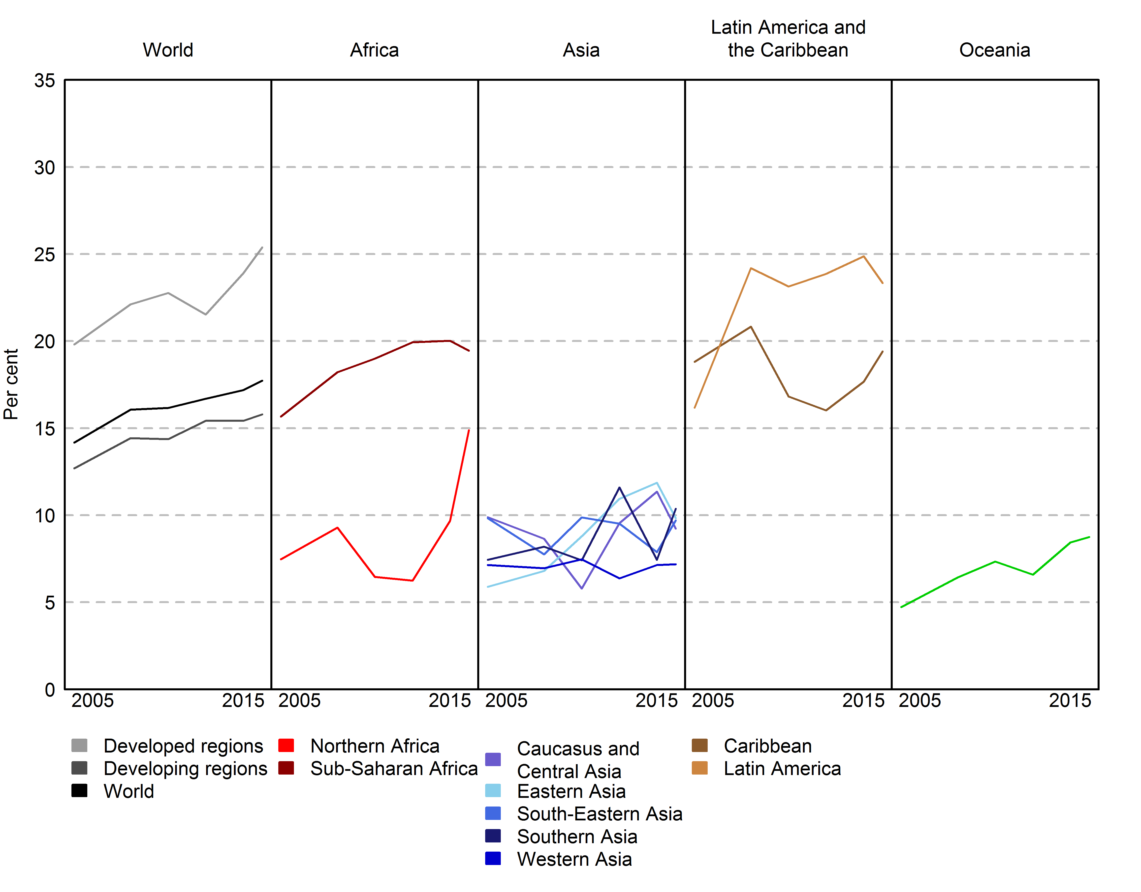

 | 2005 | 2008 | 2010 | 2012 | 2014 | 2015
Northern Africa | 7.5 | 9.3 | 6.5 | 6.3 | 9.7 | 14.9
Sub-Saharan Africa | 15.7 | 18.2 | 19.0 | 19.9 | 20.0 | 19.5
Caribbean | 18.8 | 20.8 | 16.8 | 16.0 | 17.7 | 19.4
Latin America | 16.2 | 24.2 | 23.1 | 23.9 | 24.9 | 23.3
Caucasus and Central Asia | 9.9 | 8.6 | 5.8 | 9.6 | 11.4 | 9.2
Eastern Asia | 5.9 | 6.8 | 8.8 | 10.9 | 11.9 | 9.8
Southern Asia | 7.4 | 8.2 | 7.4 | 11.6 | 7.4 | 10.4
South-Eastern Asia | 9.8 | 7.7 | 9.9 | 9.5 | 7.9 | 9.7
Western Asia | 7.1 | 7.0 | 7.5 | 6.4 | 7.1 | 7.2
Oceania | 4.7 | 6.4 | 7.3 | 6.6 | 8.4 | 8.8
Developed regions | 19.8 | 22.1 | 22.8 | 21.5 | 23.9 | 25.4
Developing regions | 12.7 | 14.4 | 14.4 | 15.4 | 15.4 | 15.8
World | 14.2 | 16.1 | 16.2 | 16.7 | 17.2 | 17.7

Source(s):
Compiled and calculated by the United Nations Statistics Division from the information available in IPU and United Nations Division for the Advancement of Women, Women in Politics (2005, 2008, 2010 editions) and IPU and UN Women, Women in Politics (2012, 2014 and 2015 editions).

Note:
Data as of 1 January of corresponding year.
The total includes deputy prime ministers and ministers. Prime ministers/heads of government were also included when they held ministerial portfolios. Vice-presidents and heads of governmental or public agencies have not been included.

Definitions:
Share of women among ministers is derived by dividing the total number of female ministers by the total number of ministers.

Figure_5.5
Figure 5.5. Proportion and list of countries or areas where the national statistical office (NSO) is headed by a woman, by region
Reference: United Nations, 2015. The World's Women 2015: Trends and Statistics. New York: United Nations, Department of Economic and Social Affairs, Statistics Division. Sales No. E.15.XVII.8.

Larger region | Female | Male | Total | % Female | % Male
Latin America and the Caribbean | 13 | 20 | 33 | 39.39 | 60.61
Developed | 16 | 33 | 49 | 32.65 | 67.35
Asia | 11 | 33 | 44 | 25.00 | 75.00
Africa | 7 | 45 | 52 | 13.46 | 86.54
Oceania | 0 | 12 | 12 | 0.00 | 100.00
World | 47 | 143 | 190 | 24.74 | 75.26

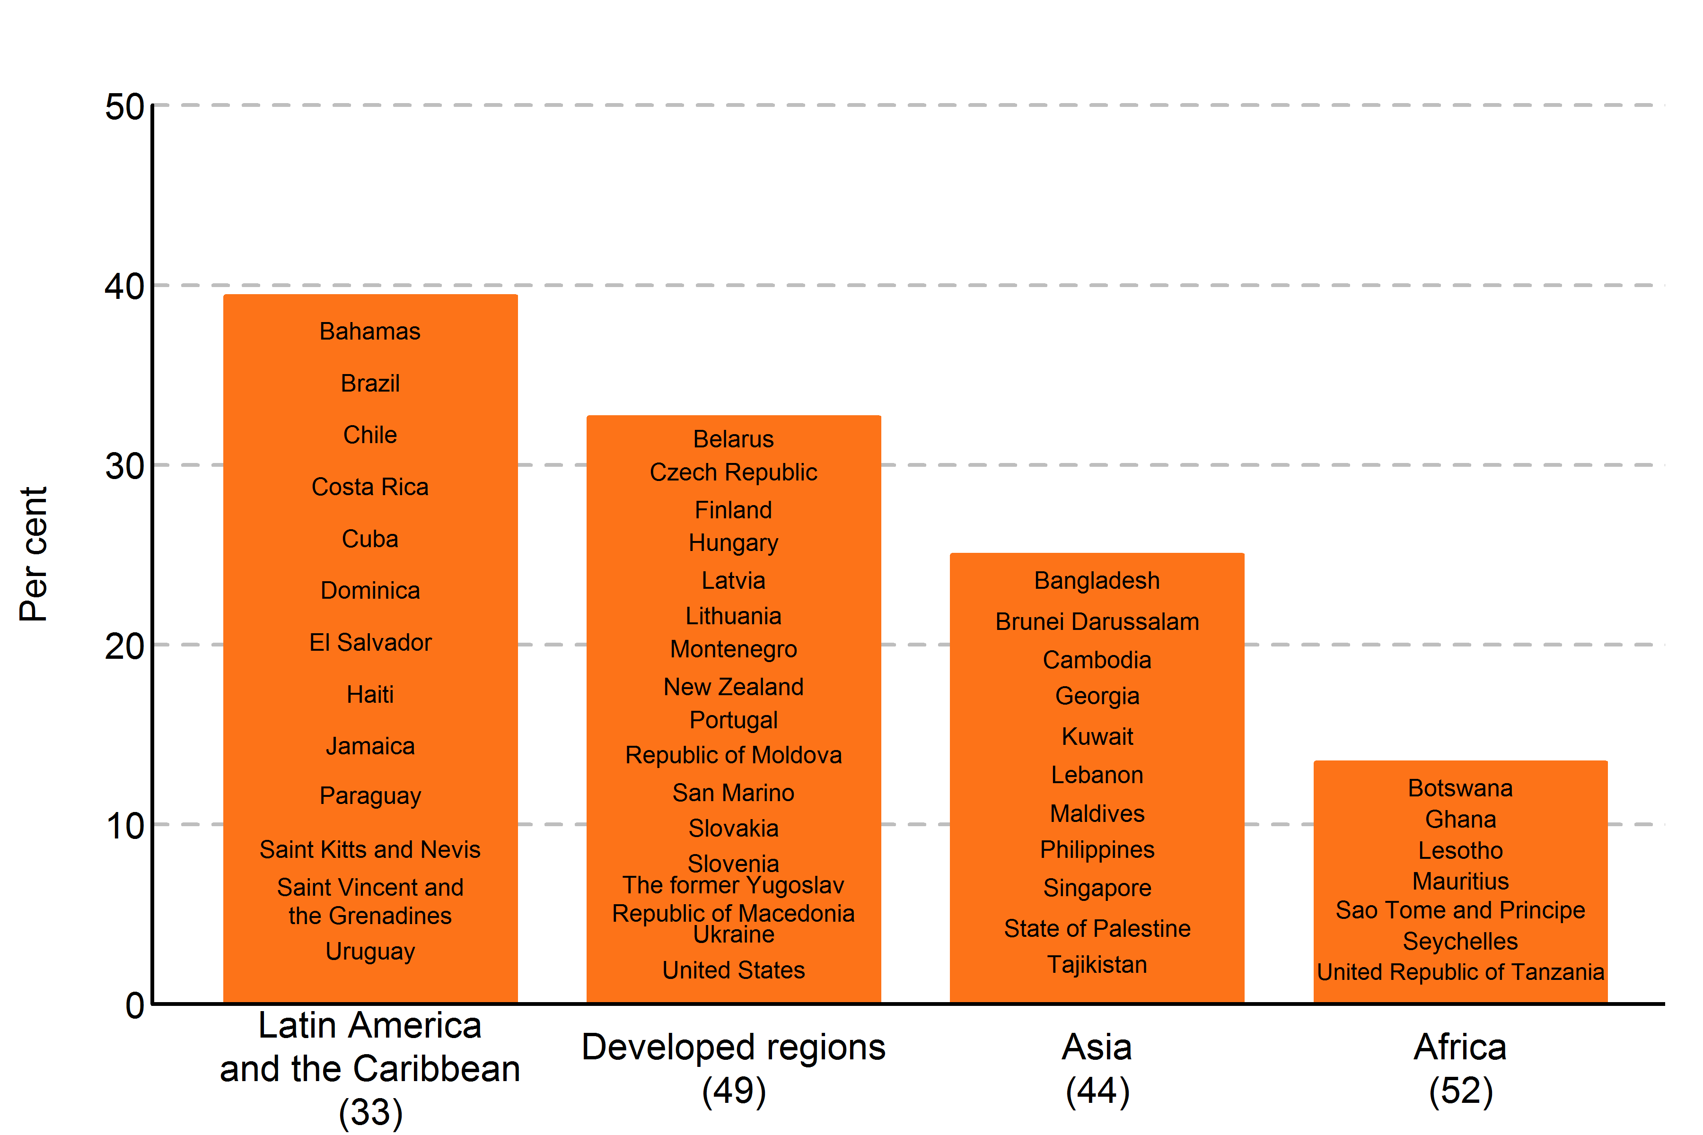

Countries where the national statistical office (NSO) is headed by a woman
Larger region | MDG region | Country name
Latin America and the Caribbean | Caribbean | Bahamas
Latin America and the Caribbean | Latin America | Brazil
Latin America and the Caribbean | Latin America | Chile
Latin America and the Caribbean | Latin America | Costa Rica
Latin America and the Caribbean | Caribbean | Cuba
Latin America and the Caribbean | Caribbean | Dominica
Latin America and the Caribbean | Latin America | El Salvador
Latin America and the Caribbean | Caribbean | Haiti
Latin America and the Caribbean | Caribbean | Jamaica
Latin America and the Caribbean | Latin America | Paraguay
Latin America and the Caribbean | Caribbean | Saint Kitts and Nevis
Latin America and the Caribbean | Caribbean | Saint Vincent and the Grenadines
Latin America and the Caribbean | Latin America | Uruguay
Developed regions | Developed | Belarus
Developed regions | Developed | Czech Republic
Developed regions | Developed | Finland
Developed regions | Developed | Hungary
Developed regions | Developed | Latvia
Developed regions | Developed | Lithuania
Developed regions | Developed | Montenegro
Developed regions | Developed | New Zealand
Developed regions | Developed | Portugal
Developed regions | Developed | Republic of Moldova
Developed regions | Developed | San Marino
Developed regions | Developed | Slovakia
Developed regions | Developed | Slovenia
Developed regions | Developed | The former Yugoslav Republic of Macedonia
Developed regions | Developed | Ukraine
Developed regions | Developed | United States
Asia | Southern Asia | Bangladesh
Asia | South-eastern Asia | Brunei Darussalam
Asia | South-eastern Asia | Cambodia
Asia | Caucasus and Central Asia | Georgia
Asia | Western Asia | Kuwait
Asia | Western Asia | Lebanon
Asia | Southern Asia | Maldives
Asia | South-eastern Asia | Philippines
Asia | South-eastern Asia | Singapore
Asia | Western Asia | State of Palestine
Asia | Caucasus and Central Asia | Tajikistan
Africa | Sub-Saharan Africa | Botswana
Africa | Sub-Saharan Africa | Ghana
Africa | Sub-Saharan Africa | Lesotho
Africa | Sub-Saharan Africa | Mauritius
Africa | Sub-Saharan Africa | Sao Tome and Principe
Africa | Sub-Saharan Africa | Seychelles
Africa | Sub-Saharan Africa | United Republic of Tanzania

Source(s):
United Nations Statistics Division, Contacts database (accessed 20 March 2015).

Note:
Numbers in parentheses indicate the total number of countries in the region.

Definitions:
Proportion of countries or areas where the national statistical office (NSO) is headed by a woman is derived by dividing the total number of countries or areas where the national statistical office (NSO) is headed by a woman by the total number of countries or areas whit national statistical office (NSO).

Box 5.2
Box 5.2. Share of women among professional staff in the United Nations System, as of 25 April 2014
Reference: United Nations, 2015. The World's Women 2015: Trends and Statistics. New York: United Nations, Department of Economic and Social Affairs, Statistics Division. Sales No. E.15.XVII.8.

 | Junior professional | Mid level professional | Senior professional | Senior management | All levels
 | P1+P2 | P3+P4 | P5+D1 | D2+UG
1997 | 52.27 | 34.71 | 20.13 | 14.52 | 31.83
1998 | 53.80 | 34.91 | 21.07 | 16.37 | 32.46
1999 | 55.42 | 35.76 | 22.69 | 17.61 | 33.48
2000 | 55.50 | 36.47 | 23.72 | 18.18 | 33.93
2001 | 54.02 | 35.74 | 24.02 | 19.19 | 34.07
2002 | 54.96 | 36.76 | 25.14 | 20.09 | 35.19
2003 | 56.25 | 37.87 | 26.16 | 21.83 | 36.29
2004 | 56.78 | 38.05 | 27.54 | 22.56 | 36.87
2005 | 55.97 | 38.87 | 28.93 | 23.58 | 37.76
2006 | 57.03 | 38.99 | 29.07 | 23.28 | 38.14
2007 | 55.20 | 39.24 | 29.71 | 23.66 | 38.31
2008 | 55.20 | 40.10 | 31.31 | 25.31 | 39.10
2009 | 57.20 | 41.13 | 31.61 | 26.59 | 40.26
2010 | 57.51 | 41.68 | 31.80 | 27.32 | 40.64
2011 | 57.07 | 42.21 | 32.55 | 27.84 | 41.08
2012 | 57.48 | 42.63 | 33.54 | 28.72 | 41.57
2013 | 57.43 | 42.72 | 33.84 | 29.13 | 41.73

Source(s):
Compiled by the United Nations Statistics Division from the United Nations System Chief Executives Board for Coordination website, http://unsceb.org/content/hr-statistics-tables (accessed 25 April 2014) and and from its reports on Personnel statistics from 2001, 2011, 2012 and 2013 (UN documents CEB/2003/HLCM/22, CEB/2012/HLCM/HR/16, CEB/2013/HLCM/HR/12 and CEB/2014/HLCM/HR/21).

Note:
Senior management refers to grade levels D2 and above; senior professionals to levels D1 and P5; mid-level professionals to levels P4 and P3; and junior professionals to levels P2 and P1.

Figure_5.6
Figure 5.6. Share of women among elected mayors, Latin America and the Caribbean, as of 11 August 2014
Reference: United Nations, 2015. The World's Women 2015: Trends and Statistics. New York: United Nations, Department of Economic and Social Affairs, Statistics Division. Sales No. E.15.XVII.8.

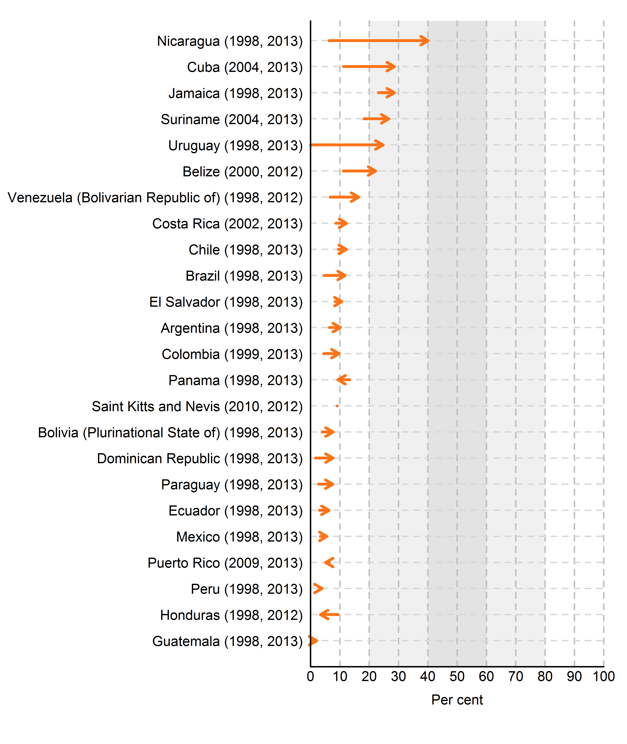
 |  | Earliest |  | Latest
Country | Country | Value | Year | Value | Year
Nicaragua | Nicaragua (1998, 2013) | 6.3 | 1998 | 40.1 | 2013
Cuba | Cuba (2004, 2013) | 11.2 | 2004 | 28.6 | 2013
Jamaica | Jamaica (1998, 2013) | 23.1 | 1998 | 28.6 | 2013
Suriname | Suriname (2004, 2013) | 18.2 | 2004 | 26.7 | 2013
Uruguay | Uruguay (1998, 2013) | 0.0 | 1998 | 24.7 | 2013
Belize | Belize (2000, 2012) | 11.1 | 2000 | 22.2 | 2012
Venezuela (Bolivarian Republic of) | Venezuela (Bolivarian Republic of) (1998, 2012) | 6.7 | 1998 | 16.4 | 2012
Costa Rica | Costa Rica (2002, 2013) | 8.6 | 2002 | 12.3 | 2013
Chile | Chile (1998, 2013) | 9.4 | 1998 | 12.2 | 2013
Brazil | Brazil (1998, 2013) | 4.6 | 1998 | 11.8 | 2013
El Salvador | El Salvador (1998, 2013) | 8.4 | 1998 | 10.7 | 2013
Argentina | Argentina (1998, 2013) | 6.4 | 1998 | 10.2 | 2013
Colombia | Colombia (1999, 2013) | 4.5 | 1999 | 9.7 | 2013
Panama | Panama (1998, 2013) | 13.4 | 1998 | 9.3 | 2013
Saint Kitts and Nevis | Saint Kitts and Nevis (2010, 2012) | 9.1 | 2010 | 9.1 | 2012
Bolivia (Plurinational State of) | Bolivia (Plurinational State of) (1998, 2013) | 3.9 | 1998 | 7.7 | 2013
Dominican Republic | Dominican Republic (1998, 2013) | 1.7 | 1998 | 7.7 | 2013
Paraguay | Paraguay (1998, 2013) | 2.7 | 1998 | 7.6 | 2013
Ecuador | Ecuador (1998, 2013) | 3.0 | 1998 | 6.3 | 2013
Mexico | Mexico (1998, 2013) | 3.3 | 1998 | 5.6 | 2013
Puerto Rico | Puerto Rico (2009, 2013) | 6.4 | 2009 | 5.1 | 2013
Peru | Peru (1998, 2013) | 2.9 | 1998 | 3.9 | 2013
Honduras | Honduras (1998, 2012) | 9.5 | 1998 | 3.4 | 2012
Guatemala | Guatemala (1998, 2013) | 0.6 | 1998 | 2.1 | 2013

Source(s):
UNECLAC, 2015. CEPALSTAT: databases and statistical publications. http://estadisticas.cepal.org/cepalstat/WEB_CEPALSTAT/estadisticasIndicadores.asp?idioma=i (accessed 20 March 2015).

Note:
Figures in parentheses indicate the years for which data are plotted. The starting point of the arrow represents the level at the earliest year and the arrow head indicates the level at the latest year.

Figure_5.7
Figure 5.7. Share of women in employment and in senior and middle management, 2009-2013 (latest available)
Reference: United Nations, 2015. The World's Women 2015: Trends and Statistics. New York: United Nations, Department of Economic and Social Affairs, Statistics Division. Sales No. E.15.XVII.8.

Region | Official Country Name | Country code | Reference year women's share of managerial positions | Share of women in employment | Women's share of managerial positions
Sub-Saharan Africa | Ethiopia | 231 | 2013 | 45.54 | 21.08
Sub-Saharan Africa | Liberia | 430 | 2010 | 47.39 | 18.18
 | Sub-Saharan Africa |  | Caribbean |  | Latin America |  | South-Eastern Asia |  | Southern Asia |  | Western Asia |  | Developed
45.54 | 21.08 | 36.31 | 47.37 | 39.72 | 35.11 | 49.96 | 14.13 | 32.20 | 23.73 | 29.98 | 16.57 | 42.15 | 22.47 | 0 | 0
47.39 | 18.18 |  |  | 35.41 | 36.59 | 37.59 | 20.03 |  |  |  |  | 45.62 | 31.76 | 60 | 60
35.75 | 23.19 |  |  | 39.62 | 36.45 | 38.55 | 20.87 |  |  |  |  | 46.25 | 26.35
 |  |  |  | 42.62 | 42.69 | 39.60 | 41.04 |  |  |  |  | 49.55 | 46.97
 |  |  |  | 37.78 | 21.84 | 45.85 | 28.99 |  |  |  |  | 45.92 | 30.75
 |  |  |  | 38.50 | 31.57 |  |  |  |  |  |  | 47.18 | 36
 |  |  |  | 36.76 | 48.73 |  |  |  |  |  |  | 46.14 | 27.32
 |  |  |  | 43.57 | 25.14 |  |  |  |  |  |  | 43.61 | 18.7
 |  |  |  |  |  |  |  |  |  |  |  | 43.27 | 24.54
 |  |  |  |  |  |  |  |  |  |  |  | 47.47 | 27.46
 |  |  |  |  |  |  |  |  |  |  |  | 49.67 | 32.81
 |  |  |  |  |  |  |  |  |  |  |  | 48.13 | 29.47
 |  |  |  |  |  |  |  |  |  |  |  | 47.34 | 35.72
 |  |  |  |  |  |  |  |  |  |  |  | 46.09 | 27.48
 |  |  |  |  |  |  |  |  |  |  |  | 40.03 | 25.27
 |  |  |  |  |  |  |  |  |  |  |  | 45.86 | 37.35
 |  |  |  |  |  |  |  |  |  |  |  | 47.80 | 37.87
 |  |  |  |  |  |  |  |  |  |  |  | 45.83 | 30.02
 |  |  |  |  |  |  |  |  |  |  |  | 46.75 | 32.35
 |  |  |  |  |  |  |  |  |  |  |  | 41.34 | 21.76
 |  |  |  |  |  |  |  |  |  |  |  | 50.43 | 42.22
 |  |  |  |  |  |  |  |  |  |  |  | 50.94 | 36.46
 |  |  |  |  |  |  |  |  |  |  |  | 44.12 | 14.62
 |  |  |  |  |  |  |  |  |  |  |  | 36.52 | 28.63
 |  |  |  |  |  |  |  |  |  |  |  | 46.31 | 23.21
 |  |  |  |  |  |  |  |  |  |  |  | 47.41 | 31.35
 |  |  |  |  |  |  |  |  |  |  |  | 44.80 | 35.45
 |  |  |  |  |  |  |  |  |  |  |  | 47.33 | 27.41
 |  |  |  |  |  |  |  |  |  |  |  | 44.96 | 30.54
 |  |  |  |  |  |  |  |  |  |  |  | 41.58 | 32.68
 |  |  |  |  |  |  |  |  |  |  |  | 44.29 | 30.27
 |  |  |  |  |  |  |  |  |  |  |  | 45.33 | 38.55
 |  |  |  |  |  |  |  |  |  |  |  | 44.89 | 29.34
 |  |  |  |  |  |  |  |  |  |  |  | 47.57 | 35.51
 |  |  |  |  |  |  |  |  |  |  |  | 46.23 | 31.29
 |  |  |  |  |  |  |  |  |  |  |  | 49.77 | 39.66
Sub-Saharan Africa | Mauritius | 480 | 2012 | 35.75 | 23.19
Caribbean | Aruba | 533 | 2010 | .. | 43.28
Caribbean | Dominican Republic | 214 | 2013 | 36.31 | 47.37
Latin America | Argentina | 32 | 2012 | 39.72 | 35.11
Latin America | Costa Rica | 188 | 2013 | 35.41 | 36.59
Latin America | Ecuador | 218 | 2013 | 39.62 | 36.45
Latin America | El Salvador | 222 | 2013 | 42.62 | 42.69
Latin America | Guatemala | 320 | 2013 | 37.78 | 21.84
Latin America | Mexico | 484 | 2013 | 38.50 | 31.57
Latin America | Panama | 591 | 2012 | 36.76 | 48.73
Latin America | Uruguay | 858 | 2011 | 43.57 | 25.14
South-Eastern Asia | Cambodia | 116 | 2010 | 49.96 | 14.13
South-Eastern Asia | Indonesia | 360 | 2013 | 37.59 | 20.03
South-Eastern Asia | Malaysia | 458 | 2013 | 38.55 | 20.87
South-Eastern Asia | Philippines | 608 | 2012 | 39.60 | 41.04
South-Eastern Asia | Thailand | 764 | 2013 | 45.85 | 28.99
Southern Asia | Sri Lanka | 144 | 2010 | 32.20 | 23.73
Western Asia | State of Palestine | 275 | 2012 | .. | 15.42
Western Asia | Turkey | 792 | 2013 | 29.98 | 16.57
Developed | Albania | 8 | 2009 | 42.15 | 22.47
Developed | Australia | 36 | 2013 | 45.62 | 31.76
Developed | Austria | 40 | 2013 | 46.25 | 26.35
Developed | Belarus | 112 | 2009 | 49.55 | 46.97
Developed | Belgium | 56 | 2013 | 45.92 | 30.75
Developed | Bulgaria | 100 | 2013 | 47.18 | 36
Developed | Croatia | 191 | 2013 | 46.14 | 27.32
Developed | Cyprus | 196 | 2013 | 43.61 | 18.7
Developed | Czech Republic | 203 | 2013 | 43.27 | 24.54
Developed | Denmark | 208 | 2013 | 47.47 | 27.46
Developed | Estonia | 233 | 2013 | 49.67 | 32.81
Developed | Finland | 246 | 2013 | 48.13 | 29.47
Developed | France | 250 | 2013 | 47.34 | 35.72
Developed | Germany | 276 | 2013 | 46.09 | 27.48
Developed | Greece | 300 | 2013 | 40.03 | 25.27
Developed | Hungary | 348 | 2013 | 45.86 | 37.35
Developed | Iceland | 352 | 2013 | 47.80 | 37.87
Developed | Ireland | 372 | 2013 | 45.83 | 30.02
Developed | Israel | 376 | 2013 | 46.75 | 32.35
Developed | Italy | 380 | 2013 | 41.34 | 21.76
Developed | Latvia | 428 | 2013 | 50.43 | 42.22
Developed | Lithuania | 440 | 2013 | 50.94 | 36.46
Developed | Luxembourg | 442 | 2013 | 44.12 | 14.62
Developed | Malta | 470 | 2013 | 36.52 | 28.63
Developed | Netherlands | 528 | 2013 | 46.31 | 23.21
Developed | Norway | 578 | 2013 | 47.41 | 31.35
Developed | Poland | 616 | 2013 | 44.80 | 35.45
Developed | Portugal | 620 | 2013 | 47.33 | 27.41
Developed | Romania | 642 | 2013 | 44.96 | 30.54
Developed | Serbia | 688 | 2013 | 41.58 | 32.68
Developed | Slovakia | 703 | 2013 | 44.29 | 30.27
Developed | Slovenia | 705 | 2013 | 45.33 | 38.55
Developed | Spain | 724 | 2013 | 44.89 | 29.34
Developed | Sweden | 752 | 2013 | 47.57 | 35.51
Developed | Switzerland | 756 | 2013 | 46.23 | 31.29
Developed | The former Yugoslav Republic of Macedonia | 807 | 2013 | .. | 24.67
Developed | Ukraine | 804 | 2013 | 49.77 | 39.66
Developed | United Kingdom of Great Britain and Northern Ireland | 826 | 2013 | .. | 32.18

Source(s):
Compiled by the United Nations Statistics Division based on data in Minimum set of gender indicators database, indicator 45 (last accessed February 2015) and International Labour Office, 2014. Key Indicators of the Labour Market, 8th edition, table 2a (accessed October 2014).

Note:
Data refer to employment under ISCO-88 categories 11 (legislators and senior officials) and 12 (corporate managers). ISCO-88 sub-major group 13—general managers—is not included in the calculation of this indicator since it mainly includes general managers of small enterprises.

Definitions:
The proportion of females in total employment in senior and middle management corresponding to the ISCO-88 categories 11 (legislators and senior officials) and 12 (corporate managers). ISCO-88 Sub-major group 13–general managers–is not included in the calculation of this indicator, as this group mainly includes managers of small enterprises.

Figure_5.8
Figure 5.8. Proportion of companies with at least one woman on their executive board in 2005 and 2011, by country
Reference: United Nations, 2015. The World's Women 2015: Trends and Statistics. New York: United Nations, Department of Economic and Social Affairs, Statistics Division. Sales No. E.15.XVII.8.

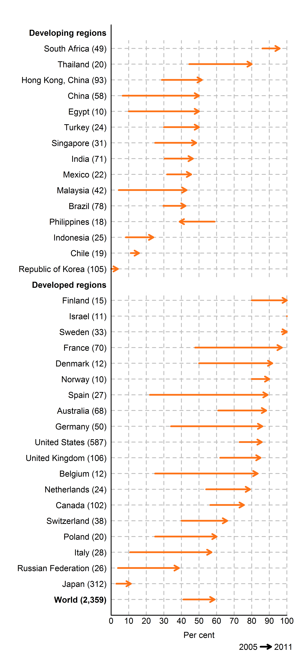
Country |  | M49 code | MDG grouping | 2005 | 2011 | Change | Number of companies
Developing | Developing
South Africa | South Africa (49) | 710 | Sub-Saharan Africa | 86 | 95.9 | 9.9 | 49
Thailand | Thailand (20) | 764 | South-eastern Asia | 44.4 | 80 | 35.6 | 20
Hong Kong, China | Hong Kong, China (93) | 344 | Eastern Asia | 28.8 | 51.6 | 22.9 | 93
China | China (58) | 156 | Eastern Asia | 6.5 | 50 | 43.5 | 58
Egypt | Egypt (10) | 818 | Northern Africa | 10 | 50 | 40 | 10
Turkey | Turkey (24) | 792 | Western Asia | 30 | 50 | 20 | 24
Singapore | Singapore (31) | 702 | South-eastern Asia | 25 | 48.4 | 23.4 | 31
India | India (71) | 356 | Southern Asia | 30.4 | 46.5 | 16 | 71
Mexico | Mexico (22) | 484 | Latin America | 31.8 | 45.5 | 13.6 | 22
Malaysia | Malaysia (42) | 458 | South-eastern Asia | 4.3 | 42.9 | 38.5 | 42
Brazil | Brazil (78) | 76 | Latin America | 29.7 | 42.3 | 12.6 | 78
Philippines | Philippines (18) | 608 | South-eastern Asia | 58.8 | 38.9 | -19.9 | 18
Indonesia | Indonesia (25) | 360 | South-eastern Asia | 8.3 | 24 | 15.7 | 25
Chile | Chile (19) | 152 | Latin America | 11.1 | 15.8 | 4.7 | 19
Republic of Korea | Republic of Korea (105) | 410 | Eastern Asia | 0 | 3.8 | 3.8 | 105
Developed | Developed
Finland | Finland (15) | 246 | Developed | 80 | 100 | 20 | 15
Israel | Israel (11) | 376 | Developed | 100 | 100 | 0 | 11
Sweden | Sweden (33) | 752 | Developed | 97 | 100 | 3 | 33
France | France (70) | 250 | Developed | 47.8 | 97.1 | 49.3 | 70
Denmark | Denmark (12) | 208 | Developed | 50 | 91.7 | 41.7 | 12
Norway | Norway (10) | 578 | Developed | 80 | 90 | 10 | 10
Spain | Spain (27) | 724 | Developed | 22.2 | 88.9 | 66.7 | 27
Australia | Australia (68) | 36 | Developed | 60.9 | 88.2 | 27.3 | 68
Germany | Germany (50) | 276 | Developed | 34 | 86 | 52 | 50
United States | United States (587) | 840 | Developed | 73 | 85.7 | 12.7 | 587
United Kingdom | United Kingdom (106) | 826 | Developed | 62.3 | 84.9 | 22.6 | 106
Belgium | Belgium (12) | 56 | Developed | 25 | 83.3 | 58.3 | 12
Netherlands | Netherlands (24) | 528 | Developed | 54.2 | 79.2 | 25 | 24
Canada | Canada (102) | 124 | Developed | 56.4 | 75.5 | 19.1 | 102
Switzerland | Switzerland (38) | 756 | Developed | 39.5 | 65.8 | 26.3 | 38
Poland | Poland (20) | 616 | Developed | 25 | 60 | 35 | 20
Italy | Italy (28) | 380 | Developed | 10.7 | 57.1 | 46.4 | 28
Russian Federation | Russian Federation (26) | 643 | Developed | 3.8 | 38.5 | 34.6 | 26
Japan | Japan (312) | 392 | Developed | 2.9 | 11.2 | 8.3 | 312
World | World (2359) |  |  | 41.1 | 58.8 | 17.8 | 2359

Source(s):
Credit Suisse AG Research Institute, 2012. Gender diversity and corporate performance. Switzerland.

Note:
The starting point of the arrow indicates the proportion of companies with at least one woman on the board in 2005 and the arrow head indicates the level in 2011. Numbers in parentheses indicate the number of companies reflected in the analysis.

Figure_5.9
Figure 5.9. Distribution of companies by number of women on their corporate board, by economic sector (end-2011)
Reference: United Nations, 2015. The World's Women 2015: Trends and Statistics. New York: United Nations, Department of Economic and Social Affairs, Statistics Division. Sales No. E.15.XVII.8.

% in each sector | Number of women on the board
 | 0 Women | 1 Woman | 2 Women | 3 or more women | Total
Healthcare | 26.7 | 35.1 | 24.4 | 13.7 | 100
Financials | 32.2 | 27.3 | 23.1 | 17.4 | 100
Utilities | 33.1 | 19.5 | 29.3 | 18 | 100
Consumer discretionary | 37.7 | 27.2 | 20.2 | 14.9 | 100
Consumer staples | 38.5 | 15.5 | 23.5 | 22.5 | 100
Telecommunication services | 40 | 21.1 | 21.1 | 17.9 | 100
Energy | 46.8 | 28.1 | 18.1 | 7 | 100
Industrials | 48.4 | 24.3 | 17.2 | 10.1 | 100
Materials | 52.5 | 22.1 | 16.7 | 8.7 | 100
Information technology | 52.5 | 26.3 | 13.8 | 7.4 | 100
Total | 41.2 | 25 | 20.3 | 13.6 | 100

Source(s):
Credit Suisse AG Research Institute, 2012. Gender diversity and corporate performance. Switzerland.

